PI
 |  |  | DATE: | 13-05-2018
PROFORMA INVOICE |  |  | REFERENCE: | AI-21213
 |  |  | PAYMENT TERMS:100% CASH ADVANCE | 100% CASH ADVANCE
 |  |  | SHIPMENT TERMS: | EX FACTORY
 |  |  | SHIPMENT MODE: | BY SEA

EXPORTER: |  |  | SHIP TO:

BILL TO REPRESENTATIVE OF THE IMPORTER:

S.R No. | Description | Qty | Unit | Unit Price | Amount

Amount in Words:
 |  |  |  | Sub-Total
 |  |  |  | Others
 |  |  |  | Total Amount
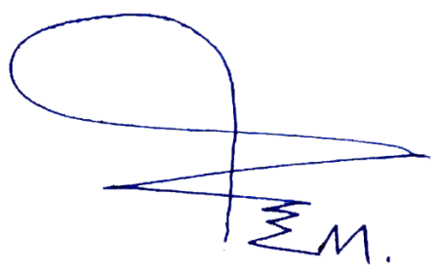
Packing: Container
Origin:China

Loading Port:Port of Tianjin,China
Discharge Port:Port of Mumbai, India

PREPARED BY:

